Initial_Config_WLC_9800
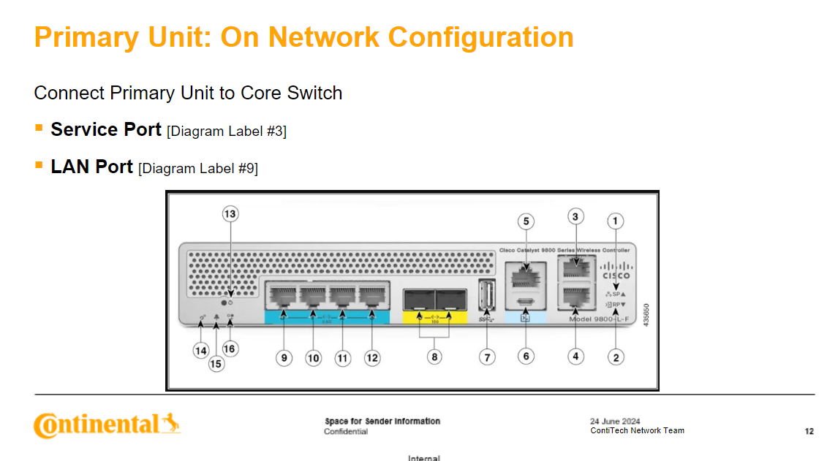
ITEMS | VALUES | CODE OUTPUT
WLC_MANAGEMENT |  | The following config is done before the unit is connected to the network via Console:​ | AFTER Base Configuration [SECTION 2.2]​
WLC_MANAGEMENT_SUBNET |  | VTP Configuration [SECTION 2.1]​
WLC_MANAGEMENT_GATEWAY |  | Base Configuration [SECTION 2.2]​
WLC_MANAGEMENT_HA_UNIT
WLC_MANAGEMENT_HA_UNIT_SUBNET |  | REQUESTED CODE OUTPUT STARTS BELOW:
SERVICE_PORT_IP
SERVICE_PORT_IP_GATEWAY
SERVICE_PORT_SUBNET
WLAN_G6_INTERFACE
WLAN_G6_SUBNET
WLAN_G7_INTERFACE
WLAN_G7_SUBNET
WLAN_G8_STAGING_INTERFACE
WLAN_G8_STAGING_SUBNET
WLAN_G8_STAGING_GATEWAY
WLAN_G8_INTERFACE
WLAN_G8_SUBNET
CORP_GUEST
CORP_GUEST_SUBNET
REDUNDANCY_IP_PRIMARY
REDUNDANCY_IP_HA_UNIT
DHCP_IP
WLC_NAME
VTP_DOMAIN
SNMP_LOCATION
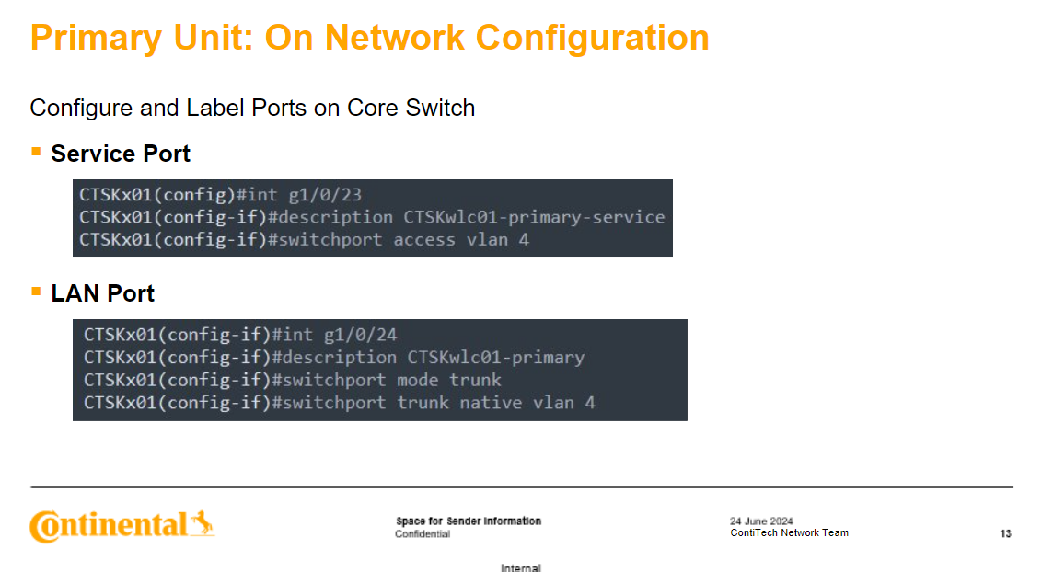
RF_NETWORK
G7_RE
AP_COUNTRY
DEFAULT_MANAGEMENT_VLAN

